Sheet1
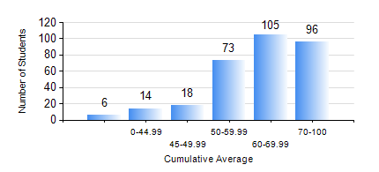
 |  |  | KWAME NKRUMAH UNIVERSITY OF SCIENCE AND TECHNOLOGY, KUMASI Department of Electrical/Electronic Engineering

 |  |  | BSC. ELECTRICAL/ELECTRONIC ENG.

 |  |  | COMPREHENSIVE RECORD OF EXAMINATION RESULTS

 |  |  | RESULTS OF YEAR 3 FIRST SEMESTER, 2022/2023 ACADEMIC YEAR

 | Sn | Course Code |  | Course Name | Credit Hours | Min. Mark | Max. Mark | Avg. Mark | Std. Dev. | No. Passed | No. Trailed | No. (Df) | No. (I) | No. (I*) | No. Tagged(I,I*,Df) | Total
 | 0. |  |  |  |  |  |  | 0 | 0 | 0 | 0 | 0 | 0 | 0 | 0 | 38
 | 1. | COE 381 |  | MICROPROCESSORS | 3 | 27 | 98 | 76 | 12.98 | 271 | 3 | 0 | 0 | 0 | 0 | 274
 | 2. | EE 365 |  | ELECTRICAL SERVICES DESIGN | 2 | 31 | 92 | 71 | 11.81 | 268 | 6 | 0 | 0 | 0 | 0 | 274
 | 3. | EE 367 |  | POWER GENERATION AND SUPPLY | 3 | 13 | 89 | 51 | 15.43 | 227 | 46 | 0 | 0 | 0 | 0 | 273
 | 4. | EE 371 |  | LINEAR ELECTRONIC CIRCUITS | 3 | 27 | 91 | 61 | 13.58 | 256 | 18 | 0 | 0 | 0 | 0 | 274
 | 5. | EE 387 |  | CLASSICAL CONTROL SYSTEMS | 2 | 8 | 93 | 57 | 15.77 | 240 | 30 | 3 | 0 | 0 | 3 | 273
 | 6. | MATH 351 |  | NUMERICAL ANALYSIS | 2 | 29 | 77 | 58 | 8.43 | 268 | 6 | 0 | 0 | 0 | 0 | 274
 | 7. | STAT 253 |  | PROBABILITY AND STATISTICS | 2 | 14 | 98 | 69 | 17.64 | 257 | 16 | 0 | 0 | 0 | 0 | 273
 | 8. | TE 271 |  | ANALOG COMMUNICATION SYSTEMS | 2 | 28 | 95 | 72 | 9.84 | 273 | 1 | 0 | 0 | 0 | 0 | 274

